SUMMARY -TABLE
Energy Savings Assistance Program
And
California Alternate Rates for Energy Program
SOUTHERN CALIFORNIA GAS COMPANY
PY 2019 Summary Highlights
ESA Program

2019 Energy Savings Assistance Program Summary
2019 | Authorized / Planning Assumptions | Actual | %
Budget 1 | $131,836,750 | $100,476,415 | 76%
Funded from 2009-2016 Unspent Funds 2 | $76,263,219 | $11,062,645 | 15%
Summary Homes Treated | 182,265 | 122,037 | 67%
Summary kWh Saved | N/A | N/A | N/A
Summary kW Demand Reduced | N/A | N/A | N/A
Summary Therms Saved | 6,530,000 | 905,558 | 14%
First Touches Homes Treated | 153,659 | 65,157 | 42%
- kWh Saved | N/A | N/A | N/A
- kW Demand Reduced | N/A | N/A | N/A
- Therms Saved | 5,485,200 | 574,626 | 10%
Go-Backs/Retreated Homes | 28,606 | 56,880 | 199%
- kWh Saved | N/A | N/A | N/A
- kW Demand Reduced | N/A | N/A | N/A
- Therms Saved | 1,044,800 | 330,932 | 32%

1 Budget reflects the authorized funding in D.16-11-022. Additional funds allocated from prior-cycle unspent budgets as ordered in G-3532 dated 'December 14, 2017, Non-Standard Disposition of Clear Plan AL 5256, dated May 18, 2018, and Non-Standard Disposition of Mid-Cycle AL 5325, dated December 19, 2018.
2 D.16-11-022 specifically directed funding for new initiatives to come from unspent 2009-2016 ESA Program funds. This table does not include $15,051,749 of unspent funds from the 2017-2020 cycle.

CARE Program

2019 CARE Program Summary
2019 | Authorized Budget | Actual | %
Administrative Expenses | $10,091,122 | $6,892,681 | 68%
Subsidies | $130,525,214 | $130,811,185 | 100%
Service Establishment Charge | $3,150,285 | $3,161,670 | 100%
Total Program Costs and Discounts | $143,766,621 | $140,865,536 | 98%
2019 CARE New Enrollments | Automatically Enrolled via Data Sharing, ESA Participation, etc | Self Certified as Categorically Eligible | Self Certified as Income Eligible
Method | 56,912 | 152,980 | 103,871
2019 CARE Penetration | Estimated Eligible Participants | Participants | Penetration Rate
Total Enrolled | 1,685,526 | 1,609,738 | 96%

Note: Reflects the authorized funding per year in D.16-11-022 and updated via Resolution G-3532 addressing conforming Advice Letters 5111-A and 5111-B

ESA Expenditures by Measure Group
Outreach & Assessment | 0.27
Air Seal/Envelope | 0.218
Furnace Repair/Replace | 0.164
Attic Insulation | 0.103
Other Hot Water | 0.056
WH Repair/Replace | 0.051
Thermostatic Shower Valve | 0.04
HE Washers | 0.035
Other | 0.063

Measure | %
#REF! | #REF!
#REF! | #REF!
#REF! | #REF!
#REF! | #REF!
#REF! | #REF!
#REF! | #REF!
#REF! | #REF!
#REF! | #REF!
#REF! | #REF!
#REF! | #REF!
#REF! | #REF!
#REF! | #REF!
#REF! | #REF!
#REF! | #REF!
#REF! | #REF!
#REF! | #REF!

Total | #REF!

ESA-Table 1
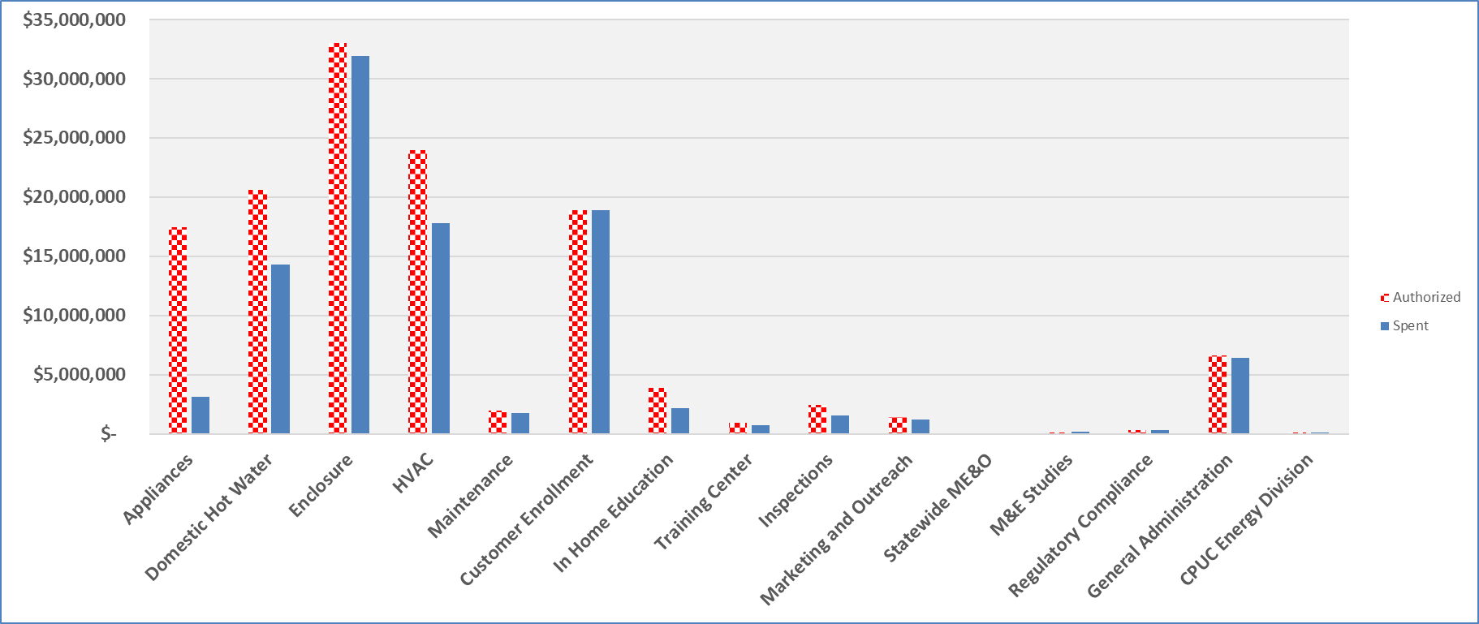
PY 2019 Energy Savings Assistance Program Annual Report ESA Program Table 1 ESA Program Overall Program Expenses SOUTHERN CALIFORNIA GAS COMPANY
 | 2019 Authorized Budget 1 |  |  | 2019 Annual Expenses |  |  | % of Budget Spent
ESA Program: | Electric | Gas | Total | Electric | Gas | Total | Electric | Gas | Total
Energy Efficiency
Appliances | N/A | $17,459,339 | $17,459,339 | N/A | $3,132,956 | $3,132,956 | N/A | 18% | 18%
Domestic Hot Water | N/A | $20,641,275 | $20,641,275 | N/A | $14,137,488 | $14,137,488 | N/A | 68% | 68%
Enclosure | N/A | $33,021,730 | $33,021,730 | N/A | $31,915,356 | $31,915,356 | N/A | 97% | 97%
HVAC | N/A | $23,958,138 | $23,958,138 | N/A | $17,802,111 | $17,802,111 | N/A | 74% | 74%
Maintenance | N/A | $1,976,488 | $1,976,488 | N/A | $1,729,316 | $1,729,316 | N/A | 87% | 87%
Lighting | N/A | $- | $- | N/A | $- | $- | N/A | 0% | 0%
Miscellaneous | N/A | $- | $- | N/A | $- | $- | N/A | 0% | 0%
Customer Enrollment | N/A | $18,886,236 | $18,886,236 | N/A | $18,886,236 | $18,886,236 | N/A | 100% | 100%
In Home Education | N/A | $3,873,993 | $3,873,993 | N/A | $2,178,553 | $2,178,553 | N/A | 56% | 56%
Pilot | N/A | $- | $- | N/A | $- | $- | N/A | 0% | 0%
Energy Efficiency TOTAL | N/A | $119,817,199 | $119,817,199 | N/A | $89,782,016 | $89,782,016 | N/A | 75% | 75%

Training Center | N/A | $926,480 | $926,480 | N/A | $730,450 | $730,450 | N/A | 79% | 79%
Inspections | N/A | $2,429,147 | $2,429,147 | N/A | $1,751,136 | $1,751,136 | N/A | 72% | 72%
Marketing and Outreach | N/A | $1,450,000 | $1,450,000 | N/A | $1,203,578 | $1,203,578 | N/A | 83% | 83%
Statewide Marketing Education and Outreach | N/A | $- | $- | N/A | $- | $- | N/A | 0% | 0%
Measurement and Evaluation Studies 2 | N/A | $115,625 | $115,625 | N/A | $157,722 | $157,722 | N/A | 136% | 136%
Regulatory Compliance | N/A | $351,194 | $351,194 | N/A | $351,194 | $351,194 | N/A | 100% | 100%
General Administration | N/A | $6,661,106 | $6,661,106 | N/A | $6,412,766 | $6,412,766 | N/A | 96% | 96%
CPUC Energy Division 3 | N/A | $86,000 | $86,000 | N/A | $87,553 | $87,553 | N/A | 102% | 102%

TOTAL PROGRAM COSTS 4 | N/A | $131,836,750 | $131,836,750 | N/A | $100,476,415 | $100,476,415 | N/A | 76% | 76%
Funded Outside of ESA Program Budget
Indirect Costs |  |  |  |  | $3,398,813 | $3,398,813
NGAT Costs |  |  |  |  | $2,105,520 | $2,105,520

1 Reflects the authorized funding in D.16-11-022. Additional funds allocated from prior-cycle unspent budgets as ordered in G-3532 dated December 14, 2017, Non-Standard Disposition of Clear Plan AL 5256, dated May 18, 2018, and Non-Standard Disposition of Mid-Cycle AL 5325, dated December 19, 2018 are not shown on this table but appear on Table 1A.
2 Current year expenditures over annual budget due to planned timing of costs, however, total 2017-2020 cycle spend still within overall cycle budget.
3 Percentage of budget YTD over annual authorized budget due to delayed billed costs by CPUC in 2019 related to 2018 CPUC oversight activity.
4 Additional 2019 spend in the amount of $11,062,645 not included here in Table 1 because it is being funded out of prior cycle unspent funds. (See Table 1A) Total 2019 spend is actually $111,539,060 or ($100,476,415 + $11,062,645).

ESA Spent vs. Authorized by Category

ESA-Table 15-Lighting
PY 2019 Energy Savings Assistance Program Annual Report
ESA Program Table 15
Lighting 1
SOUTHERN CALIFORNIA GAS COMPANY
ESA Program CFL Tracking Table
Instructions: Please identify the CFL bulbs used within your ESA program and fill in the remaining columns for each
Bulb Name / Identification | Bulb Description (wattage, lumens) | Bulb Cost (material) | Admin Cost (overhead, contractor fee, marketing, etc.) | Total Bulb Cost (material + admin) 2 | AB 1109 Compliant? 3

Not Applicable to SCG

Year | Number of Homes Treated in ESA Program | Number of Homes Provided CFLs | Avg. # of CFL bulbs given per home | Est. total energy savings from installed CFLs 4
2009
2010
2011
2012
2013
2014
2015
2016
2017

1 Summary data which includes ESA Program, CSD Leveraging, and MF efforts.
2 Bulb cost and admin cost were combined effective 2013.
3 Compliant in regards to: 1) Do bulbs meet or exceed CEC energy efficiency standards for general purpose lighting?
Do all models comply with Europe's RoHS standards on toxicity?
4 Ordering Paragraph 34 of D.14-08-030 adopts the 2013 ESA Impact Evaluation. The results from that study were used in this Annual Report.
Note: This Table should be used for 2017 and not applicable with 2018 activity pursuant to D.16-11-022 directive.

